Sheet2
 |  | Soph | Junior | Sen |  | 4350 | 2200
William E Adorjan | Junior |  | 1 |  |  |  | 1
Matthew Jacob Ayers | Junior |  | 1
Marcus T Becker | Senior |  |  | 1 |  | 1 | 1
Jake Roland Bucher | Junior |  | 1 |  |  | 1 | 1
Nathaniel J Chen | Senior |  |  | 1 |  | 1 | 1
Mason J Conroy | Senior |  |  | 1 |  |  | 1
Leandro Deagueros | Sophomore | 1 |  |  |  | 1 | 1
Andy Garcia | Junior |  | 1
Luke Nathan Gaudiano | Senior |  |  | 1 |  | 1 | 1
Vanessa Kaur Gill | Senior |  |  | 1 |  | 1 | 1
Jacob Zachary Gilson | Senior |  |  | 1 |  | 1 | 1
Brian Thomas Hinterlong | Junior |  | 1 |  |  |  | 1
Zachary J Holly | Junior |  | 1 |  |  |  | 1
Dylan Micheal Lyman | Sophomore | 1
Nicholas Malmberg | Junior |  | 1 |  |  |  | 1
Ramon Montoya | Junior |  | 1 |  |  |  | 1
Savanna Mussa | Junior |  | 1
Daniel R Pytel | Senior |  |  | 1 |  |  | 1
Juleah P Richardson | Junior |  | 1
Course Composition
Alondra Rodriguez | Sophomore | 1
Sharanitha Sampath | Senior |  |  | 1 |  | 1 | 1 |  | Sophomore | Junior | Senior
Rachel L Skonning | Senior |  |  | 1 |  | 1 | 1 |  | 4 | 12 | 14
Chandni Sagar Thakkar | Senior |  |  | 1 |  | 1
Zachary Scott Valencik | Senior |  |  | 1 |  | 1 | 1
Angel Vivanco | Senior |  |  | 1 |  | 1 | 1
Joseph Samuel Walker | Sophomore | 1 |  |  |  | 1 | 1
Approx percent completed
CSC4350 | 50
CSC2200 | 73.076923077
 |  | Sophmore | Junior | Senior |  | CSC4350 | CSC2200
 |  | 4 | 10 | 12 | 26 | 13 | 19
 |  |  |  |  |  | 50 | 73.076923077 | 26

 |  |  |  | Approx Weeks
 |  |  | Java | 3
 |  |  | HTML/CSS/JS | 2
 |  |  | Node.js | 10

 |  |  |  | 15

Schedule V2
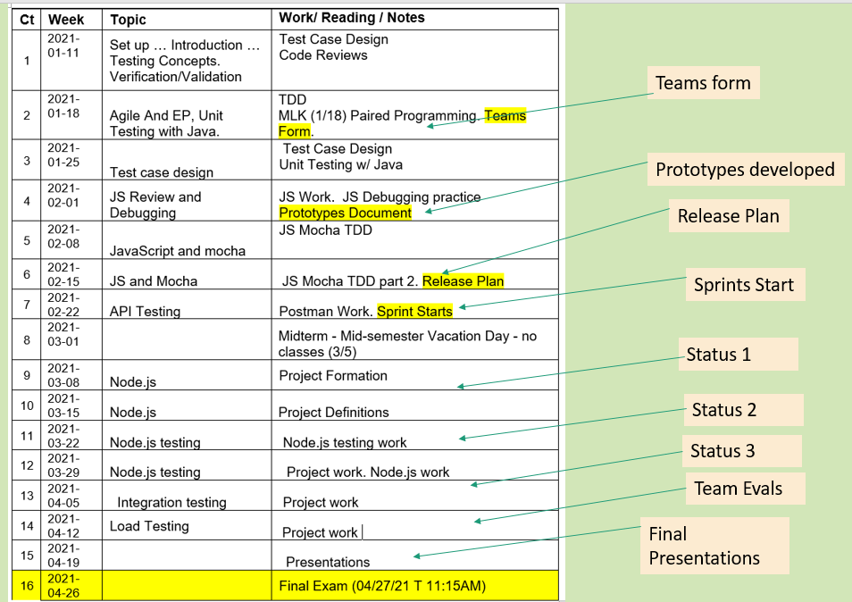
Topics:
Java testing with JUnit
Extreme Programming ->
- How to create EP teams
E.g., User stories, Epics, Release Planning
- Learn and use it's "Best Practices"
E.g., Paired Programming, TDD, Code Reviews
Testing
- Unit test case design
- Types of testing
- Testing 'Concepts'
JS -> - Review HTML/CSS/JS
- JS with Mocha/Chai
- Standards and ESLint
- Advanced Debugging with Chrome tools
API Testing -> REST Achitecure
- Automating REST API tests with Postman
Node.js -> Review/introduction
- Express
- Using Mocha/chai on node.js
Other Types of testing - Selenium? Integration testing.
Jenkins -> CI
Project Introduced

The Code Stack Test Stack
Client Side -> Html/CSS -> JavaScript
API -> REST
Server Side -> Node.js/Express/Pug

The Stack
The Code Stack Test Stack
Client Side -> Html/CSS -> JavaScript
API -> REST
Server Side -> Node.js/Express/Pug

Mocha/Chai

PostMan

Mocha/Chai

Overall Selenium

